foglio1
Description | Qty | Retail Price | Total Retail
34760-078 GEL EFFECT KERATIN RED MAPLE | 301 | 3.50 € | 1,053.50 € | 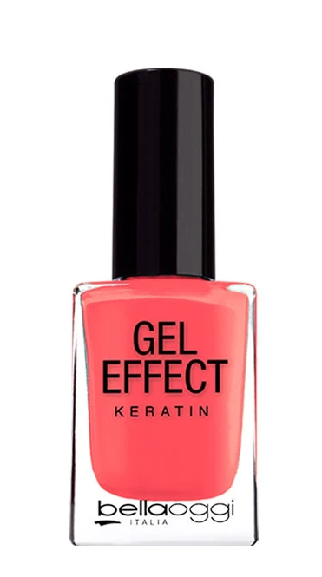
34760-077 GEL EFFECT KERATIN PAPAYA JUICE | 451 | 3.50 € | 1,578.50 €
34760-015 GEL EFFECT KERATIN JADE | 8,296 | 3.50 € | 29,036.00 €
34760-020 GEL EFFECT KERATIN BIKINI PINK | 528 | 3.50 € | 1,848.00 €
34760-063 GEL EFFECT KERATIN CUBA | 10,676 | 3.50 € | 37,366.00 €
34760-045 GEL EFFECT KERATIN FIESTA | 4,048 | 3.50 € | 14,168.00 €
34760-065 GEL EFFECT KERATIN MARTINICA | 2,679 | 3.50 € | 9,376.50 €
34760-301 GEL EFFECT KERATIN SHIMMER PLUM | 2,112 | 3.50 € | 7,392.00 €
34760-069 GEL EFFECT KERATIN SUGAR CAKE | 12,772 | 3.50 € | 44,702.00 €
34760-067 GEL EFFECT KERATIN GIAMAICA | 10,352 | 3.50 € | 36,232.00 €
34760-072 GEL EFFECT KERATIN BLACK RED | 6,978 | 3.50 € | 24,423.00 €
34760-071 GEL EFFECT KERATIN MINT CAKE | 16,252 | 3.50 € | 56,882.00 €
34760-066 GEL EFFECT KERATIN PORTORICO | 2,703 | 3.50 € | 9,460.50 €
34760-074 GEL EFFECT KERATIN BLACK BROWN | 3,095 | 3.50 € | 10,832.50 €
34760-302 GEL EFFECT KERATIN SHIMMER BRONZE | 2,076 | 3.50 € | 7,266.00 €
34760-303 GEL EFFECT KERATIN SHIMMER SILVER | 4,389 | 3.50 € | 15,361.50 €
Total 34760 GEL EFFECT KERATIN | 87,708 |  | 306,978.00 €
35780-001 BALMY DROP NUDE DRESS | 2,425 | 4.90 € | 11,882.50 € | 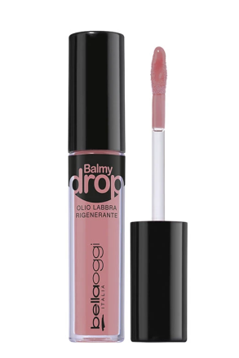
35780-002 BALMY DROP ROMANTIC NOVEL | 3,855 | 4.90 € | 18,889.50 €
35780-003 BALMY DROP COOKIE CAKE | 4,308 | 4.90 € | 21,109.20 €
35780-005 BALMY DROP COTTON CANDY | 4,322 | 4.90 € | 21,177.80 €
35780-006 BALMY DROP STRAWBERRY PIE | 1,017 | 4.90 € | 4,983.30 €
35780-004 BALMY DROP PEACH ON THE BEACH | 5,649 | 4.90 € | 27,680.10 €
35780-007 BALMY DROP RED VELVET | 4,978 | 4.90 € | 24,392.20 €
35780-008 BALMY DROP BERRY JUICE | 5,911 | 4.90 € | 28,963.90 €
Total 35780 BALMY DROP | 32,465 |  | 159,078.50 €
35430-003 PASSIONE BROWNIE | 1,281 | 6.50 € | 8,326.50 € | 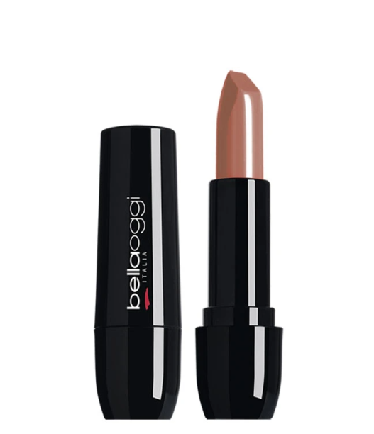
35430-006 PASSIONE PASSION RED | 2,225 | 6.50 € | 14,462.50 €
35430-008 PASSIONE ROMANTIC PINK | 1,826 | 6.50 € | 11,869.00 €
35430-017 PASSIONE SHOCK PINK | 2,309 | 6.50 € | 15,008.50 €
35430-002 PASSIONE NUDE LIPS | 1,538 | 6.50 € | 9,997.00 €
35430-010 PASSIONE GREEDY RASPBERRY | 1,887 | 6.50 € | 12,265.50 €
35430-004 PASSIONE CORAL PASSION | 1,978 | 6.50 € | 12,857.00 €
35430-005 PASSIONE STRAWBERRY | 2,257 | 6.50 € | 14,670.50 €
35430-007 PASSIONE LADY RED | 3,389 | 6.50 € | 22,028.50 €
35430-014 PASSIONE MILK CHOCOLATE | 2,128 | 6.50 € | 13,832.00 €
35430-015 PASSIONE PEACH CORAL | 2,580 | 6.50 € | 16,770.00 €
35430-018 PASSIONE GRAPE NECTAR | 4,991 | 6.50 € | 32,441.50 €
Total 35430 PASSIONE | 28,389 |  | 184,528.50 €
35432-006 SEDUZIONE SEDUCTION RED | 1,954 | 6.50 € | 12,701.00 € | 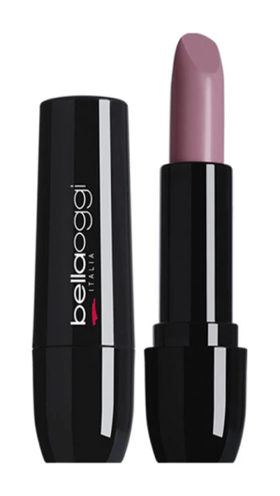
35432-001 SEDUZIONE NUDE SEDUCTION | 1,871 | 6.50 € | 12,161.50 €
35432-002 SEDUZIONE LOVE CHOCOLATE | 5,422 | 6.50 € | 35,243.00 €
35432-003 SEDUZIONE LADY PINK | 1,683 | 6.50 € | 10,939.50 €
35432-004 SEDUZIONE ROMANTIC FUCHSIA | 3,762 | 6.50 € | 24,453.00 €
35432-005 SEDUZIONE MY INTENSE RED | 2,099 | 6.50 € | 13,643.50 €
Total 35432 SEDUZIONE | 16,791 | 39 | 109,141.50 €
35429-006 MAT AFFAIR FIRSTKISS | 3,869 | 6.50 € | 25,148.50 € | 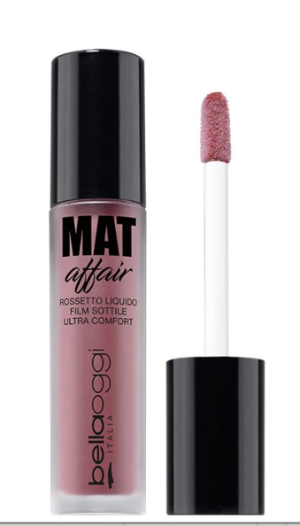
35429-009 MAT AFFAIR MY CHIC NUDE | 563 | 6.50 € | 3,659.50 €
35429-012 MAT AFFAIR CORAL KISS | 631 | 6.50 € | 4,101.50 €
35429-013 MAT AFFAIR HOT PINK | 560 | 6.50 € | 3,640.00 €
35429-016 MAT AFFAIR TOMATO JUICE | 877 | 6.50 € | 5,700.50 €
35429-018 MAT AFFAIR VIOLET QUEEN | 509 | 6.50 € | 3,308.50 €
35429-019 MAT AFFAIR GOJI NECTAR | 1,472 | 6.50 € | 9,568.00 €
35429-020 MAT AFFAIR GRAPE ON LIPS | 1,235 | 6.50 € | 8,027.50 €
35429-023 MAT AFFAIR PLUM DESIRE | 1,114 | 6.50 € | 7,241.00 €
35429-024 MAT AFFAIR WINE DROPS | 553 | 6.50 € | 3,594.50 €
35429-004 MAT AFFAIR GUEPIERE | 10,028 | 6.50 € | 65,182.00 €
Total 35429 MAT AFFAIR | 21,411 |  | 139,171.50 €
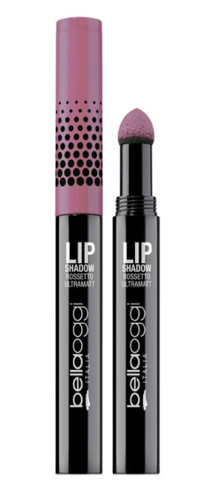
35770-006 LIP SHADOW SENSUALE | 418 | 5.90 € | 2,466.20 €
35770-002 LIP SHADOW ROMANTICA | 532 | 5.90 € | 3,138.80 €
35770-005 LIP SHADOW AUDACE | 592 | 5.90 € | 3,492.80 €
35770-003 LIP SHADOW RIBELLE | 186 | 5.90 € | 1,097.40 €
35770-004 LIP SHADOW FIERA | 451 | 5.90 € | 2,660.90 €
35770-001 LIP SHADOW SIGNORINA | 367 | 5.90 € | 2,165.30 €
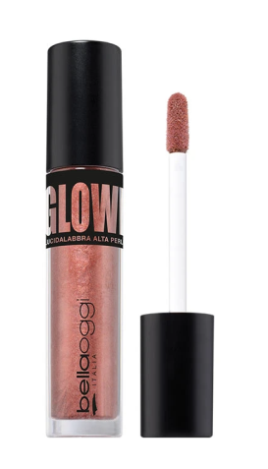
Total 35770 LIP SHADOW | 2,546 |  | 15,021.40 €
35421-001 GLOWING GLOSS GLOWING BRONZE | 5,361 | 4.90 € | 26,268.90 €
35421-002 GLOWING GLOSS GLOWING GOLD | 5,318 | 4.90 € | 26,058.20 €
Total 35421 GLOWING GLOSS | 10,679 |  | 52,327.10 €
35583-006 TOP TREND FAIRY FOREST | 3,260 | 5.90 € | 19,234.00 € | 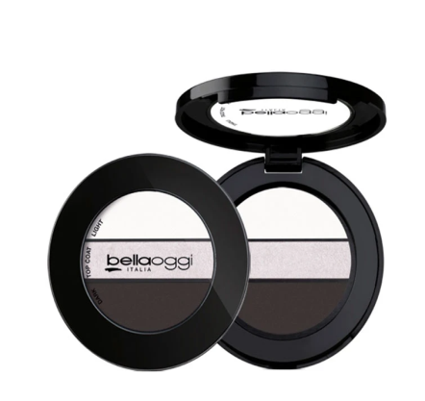
35583-005 TOP TREND SHY LOLITA | 3,916 | 5.90 € | 23,104.40 €
35583-003 TOP TREND MISS SHADOW | 3,724 | 5.90 € | 21,971.60 €
35583-004 TOP TREND LADY AMETHYST | 3,417 | 5.90 € | 20,160.30 €
35583-002 TOP TREND STORM BLUE | 4,102 | 5.90 € | 24,201.80 €
35583-001 TOP TREND AUTUMN BRIDE | 5,198 | 5.90 € | 30,668.20 €
Total 35583 TOP TREND | 23,617 |  | 139,340.30 €
35478-002 IN-FUSION ROSE QUARTZ | 3,563 | 4.90 € | 17,458.70 € | 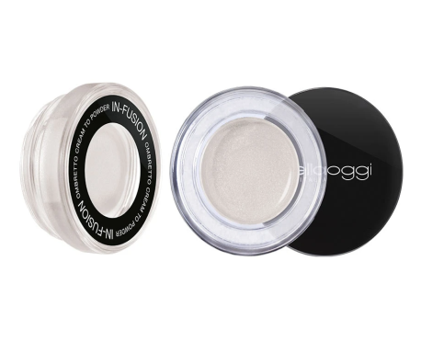
35478-003 IN-FUSION SERENITY BLUE | 3,227 | 4.90 € | 15,812.30 €
35478-004 IN-FUSION BOREAL GREEN | 4,392 | 4.90 € | 21,520.80 €
35478-001 IN-FUSION FROST WHITE | 3,733 | 4.90 € | 18,291.70 €
35478-006 IN-FUSION LIQUID NIGHT | 2,267 | 4.90 € | 11,108.30 €
35478-005 IN-FUSION TIGER EYES | 4,095 | 4.90 € | 20,065.50 €
Total 35478 IN-FUSION | 21,277 |  | 104,257.30 €
35614-301 GLOWING LINER | 7,846 | 3.50 € | 27,461.00 €
35614-302 GLOWING LINER | 2,466 | 3.50 € | 8,631.00 €
Total 35614 GLOWING LINER | 10,312 |  | 36,092.00 €
35511-005 LINEA OCCHI BLUE | 3,493 | 2.90 € | 10,129.70 €
35511-006 LINEA OCCHI GREY | 3,189 | 2.90 € | 9,248.10 €
35511-007 LINEA OCCHI GREEN | 3,378 | 2.90 € | 9,796.20 €
Total 35511 LINEA OCCHI | 10,060 |  | 29,174.00 €
35546-006 COVER ME Green - Correttivo rossori | 6,404 | 4.50 € | 28,818.00 € | 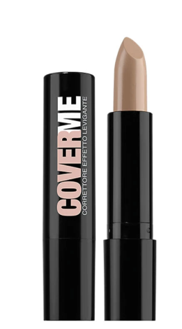
35546-030 COVER ME Golden beige Pelli scure/ oliv | 1,058 | 4.50 € | 4,761.00 €
Total 35546 COVER ME | 7,462 |  | 33,579.00 €
35274-001 YOUTH GENERATION F SOFT VANILLA | 3,141 | 10.90 € | 34,236.90 € | 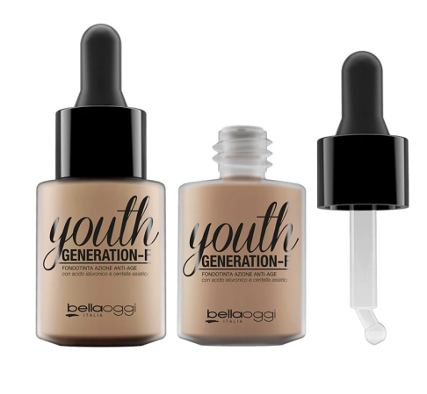
35274-002 YOUTH GENERATION F SIMPLY NUDE | 2,708 | 10.90 € | 29,517.20 €
35274-003 YOUTH GENERATION F ROMANTIC BEIGE | 3,107 | 10.90 € | 33,866.30 €
Total 35274 YOUTH GENERATION F | 8,956 |  | 97,620.40 €
35347-006 AQUA ME CITY BARRIER Honey | 7,993 | 5.90 € | 47,158.70 € | 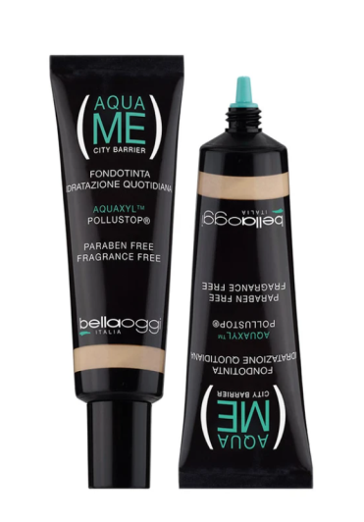
35347-005 AQUA ME CITY BARRIER Beige Apricot | 1,576 | 5.90 € | 9,298.40 €
Total 35347 AQUA ME CITY BARRIER | 9,569 |  | 56,457

totale | 291,242 |  | 1,462,766.60

